PRS7
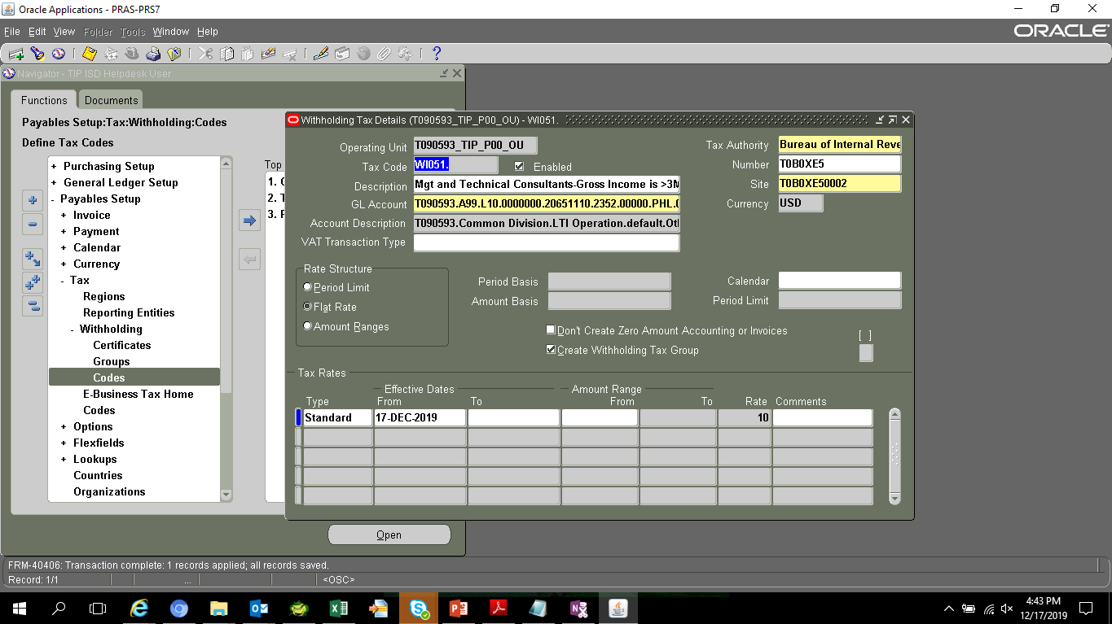
SELECT *
FROM ap_awt_groups
TEST
GROUP_ID | NAME | DESCRIPTION | INACTIVE_DATE | LAST_UPDATE_DATE | LAST_UPDATED_BY | LAST_UPDATE_LOGIN | CREATION_DATE | CREATED_BY
11000 | WC051 | EWT-Management and Technical Consultants |  | 2/20/15 | 1090 | 3072035 | 2/20/15 | 1090
11001 | WI051 | EWT-Management and Technical Consultants |  | 2/20/15 | 1090 | 3072035 | 2/20/15 | 1090
10000 | WC010 | EWT - professional/talent fees paid to juridical corporations(INCOME <= 720,000) |  | 5/27/14 | 1090 | 75905 | 5/27/14 | 1090
10001 | WC011 | EWT - professional/talent fees paid to juridical corporations(INCOME > 720,000) |  | 5/27/14 | 1090 | 75905 | 5/27/14 | 1090
10002 | WC100 | EWT - rentals (real property) - corporations |  | 5/27/14 | 1090 | 75905 | 5/27/14 | 1090
10003 | WC120 | EWT - prime contractors/sub-contractors - corporations |  | 5/27/14 | 1090 | 75905 | 5/27/14 | 1090
10004 | WC158 | EWT - income payments made by top 5000 corporations - corporations |  | 5/27/14 | 1090 | 75905 | 5/27/14 | 1090
10005 | WC160 | EWT-income payments made by Top 20000 private corp. to local supplier of service |  | 5/27/14 | 1090 | 75905 | 5/27/14 | 1090
10006 | WC212 | Cash dividend payment by domestic corporation to NRFCs |  | 5/27/14 | 1090 | 75905 | 5/27/14 | 1090
10007 | WC230 | FWT-On other payments to NRFCs |  | 5/27/14 | 1090 | 75905 | 5/27/14 | 1090
10008 | WI010 | EWT - professional/talent fees paid to juridical persons(INCOME <= 720,000) | 2018-08-13 | 12/17/19 | 11989 | 31169779 | 5/27/14 | 1090
10009 | WI011 | EWT - professional/talent fees paid to juridical persons(INCOME > 720,000) | 2018-08-13 | 12/17/19 | 11989 | 31169779 | 5/27/14 | 1090
10010 | WI020 | EWT - payment to prof entertainers - (INCOME <= 720,000) |  | 5/27/14 | 1090 | 75905 | 5/27/14 | 1090
10011 | WI021 | EWT - payment to prof entertainers - (INCOME > 720,000) |  | 5/27/14 | 1090 | 75905 | 5/27/14 | 1090
10012 | WI050 | EWT - management and technical consultants |  | 5/27/14 | 1090 | 75905 | 5/27/14 | 1090
10013 | WI100 | EWT - rentals (real property) - individuals |  | 5/27/14 | 1090 | 75905 | 5/27/14 | 1090
10014 | WI120 | EWT - prime contractors/sub-contractors - individuals |  | 5/27/14 | 1090 | 75905 | 5/27/14 | 1090
10015 | WI150 | EWT - payment to medical practitioners thru hospitals/clinics(INCOME > 720,000) |  | 5/27/14 | 1090 | 75905 | 5/27/14 | 1090
10016 | WI151 | EWT - payment to medical practitioners thru hospitals/clinics(INCOME <= 720,000) |  | 5/27/14 | 1090 | 75905 | 5/27/14 | 1090
10017 | WI158 | EWT - payments made by top 5000 corporations - individuals |  | 5/27/14 | 1090 | 75905 | 5/27/14 | 1090
12000 | WI010. | EWT - professional/talent fees paid to juridical persons(INCOME <= 720,000) |  | 9/3/18 | 11989 | 27437517 | 9/3/18 | 11989
12001 | WI011. | EWT - professional/talent fees paid to juridical persons(INCOME > 720,000) |  | 9/3/18 | 11989 | 27437517 | 9/3/18 | 11989
12002 | WI081 | Other Recipient of Talent Fees-Gross Income is >3M or VAT Reg regardless of amt |  | 9/3/18 | 11989 | 27437517 | 9/3/18 | 11989

SELECT *
FROM AP_TAX_CODES_ALL

NAME | TAX_ID | LAST_UPDATE_DATE | LAST_UPDATED_BY | TAX_TYPE | SET_OF_BOOKS_ID | DESCRIPTION | TAX_RATE | TAX_CODE_COMBINATION_ID | INACTIVE_DATE | LAST_UPDATE_LOGIN | CREATION_DATE | CREATED_BY | ATTRIBUTE_CATEGORY | ATTRIBUTE1 | ATTRIBUTE2 | ATTRIBUTE3 | ATTRIBUTE4 | ATTRIBUTE5 | ATTRIBUTE6 | ATTRIBUTE7 | ATTRIBUTE8 | ATTRIBUTE9 | ATTRIBUTE10 | ATTRIBUTE11 | ATTRIBUTE12 | ATTRIBUTE13 | ATTRIBUTE14 | ATTRIBUTE15 | AWT_VENDOR_ID | AWT_VENDOR_SITE_ID | AWT_PERIOD_TYPE | AWT_PERIOD_LIMIT | RANGE_AMOUNT_BASIS | RANGE_PERIOD_BASIS | ORG_ID | VAT_TRANSACTION_TYPE | GLOBAL_ATTRIBUTE_CATEGORY | GLOBAL_ATTRIBUTE1 | GLOBAL_ATTRIBUTE2 | GLOBAL_ATTRIBUTE3 | GLOBAL_ATTRIBUTE4 | GLOBAL_ATTRIBUTE5 | GLOBAL_ATTRIBUTE6 | GLOBAL_ATTRIBUTE7 | GLOBAL_ATTRIBUTE8 | GLOBAL_ATTRIBUTE9 | GLOBAL_ATTRIBUTE10 | GLOBAL_ATTRIBUTE11 | GLOBAL_ATTRIBUTE12 | GLOBAL_ATTRIBUTE13 | GLOBAL_ATTRIBUTE14 | GLOBAL_ATTRIBUTE20 | GLOBAL_ATTRIBUTE19 | GLOBAL_ATTRIBUTE18 | GLOBAL_ATTRIBUTE17 | GLOBAL_ATTRIBUTE15 | GLOBAL_ATTRIBUTE16 | WEB_ENABLED_FLAG | TAX_RECOVERY_RULE_ID | TAX_RECOVERY_RATE | START_DATE | ENABLED_FLAG | AWT_RATE_TYPE | OFFSET_TAX_CODE_ID | SUPPRESS_ZERO_AMOUNT_FLAG
WC051 | 10082 | 2/20/15 | 12/25/02 | AWT | 2021 | EWT-Management and Technical Consultants |  | 4025 |  | 3072035 | 2/20/15 | 1090 |  |  |  |  |  |  |  |  |  |  |  |  |  |  |  |  | 1 | 1 |  |  |  |  | 101 |  |  |  |  |  |  |  |  |  |  |  |  |  |  |  |  |  |  |  |  |  |  |  |  |  |  | Y | F |  | N
WI051 | 10083 | 2/20/15 | 12/25/02 | AWT | 2021 | EWT-Management and Technical Consultants |  | 4025 |  | 3072035 | 2/20/15 | 1090 |  |  |  |  |  |  |  |  |  |  |  |  |  |  |  |  | 1 | 1 |  |  |  |  | 101 |  |  |  |  |  |  |  |  |  |  |  |  |  |  |  |  |  |  |  |  |  |  |  |  |  |  | Y | F |  | N
WC010 | 10064 | 5/27/14 | 12/25/02 | AWT | 2021 | EWT - professional/talent fees paid to juridical corporations(INCOME <= 720,000) |  | 4025 |  | 75905 | 5/27/14 | 1090 |  |  |  |  |  |  |  |  |  |  |  |  |  |  |  |  | 1 | 1 |  |  |  |  | 101 |  |  |  |  |  |  |  |  |  |  |  |  |  |  |  |  |  |  |  |  |  |  |  |  |  |  | Y | F |  | N
WC011 | 10065 | 5/27/14 | 12/25/02 | AWT | 2021 | EWT - professional/talent fees paid to juridical corporations(INCOME > 720,000) |  | 4025 |  | 75905 | 5/27/14 | 1090 |  |  |  |  |  |  |  |  |  |  |  |  |  |  |  |  | 1 | 1 |  |  |  |  | 101 |  |  |  |  |  |  |  |  |  |  |  |  |  |  |  |  |  |  |  |  |  |  |  |  |  |  | Y | F |  | N
WC100 | 10066 | 5/27/14 | 12/25/02 | AWT | 2021 | EWT - rentals (real property) - corporations |  | 4025 |  | 75905 | 5/27/14 | 1090 |  |  |  |  |  |  |  |  |  |  |  |  |  |  |  |  | 1 | 1 |  |  |  |  | 101 |  |  |  |  |  |  |  |  |  |  |  |  |  |  |  |  |  |  |  |  |  |  |  |  |  |  | Y | F |  | N
WC120 | 10067 | 5/27/14 | 12/25/02 | AWT | 2021 | EWT - prime contractors/sub-contractors - corporations |  | 4025 |  | 75905 | 5/27/14 | 1090 |  |  |  |  |  |  |  |  |  |  |  |  |  |  |  |  | 1 | 1 |  |  |  |  | 101 |  |  |  |  |  |  |  |  |  |  |  |  |  |  |  |  |  |  |  |  |  |  |  |  |  |  | Y | F |  | N
WC158 | 10068 | 5/27/14 | 12/25/02 | AWT | 2021 | EWT - income payments made by top 5000 corporations - corporations |  | 4025 |  | 75905 | 5/27/14 | 1090 |  |  |  |  |  |  |  |  |  |  |  |  |  |  |  |  | 1 | 1 |  |  |  |  | 101 |  |  |  |  |  |  |  |  |  |  |  |  |  |  |  |  |  |  |  |  |  |  |  |  |  |  | Y | F |  | N
WC160 | 10069 | 5/27/14 | 12/25/02 | AWT | 2021 | EWT-income payments made by Top 20000 private corp. to local supplier of service |  | 4025 |  | 75905 | 5/27/14 | 1090 |  |  |  |  |  |  |  |  |  |  |  |  |  |  |  |  | 1 | 1 |  |  |  |  | 101 |  |  |  |  |  |  |  |  |  |  |  |  |  |  |  |  |  |  |  |  |  |  |  |  |  |  | Y | F |  | N
WC212 | 10070 | 5/27/14 | 12/25/02 | AWT | 2021 | Cash dividend payment by domestic corporation to NRFCs |  | 4026 |  | 75905 | 5/27/14 | 1090 |  |  |  |  |  |  |  |  |  |  |  |  |  |  |  |  | 1 | 2 |  |  |  |  | 101 |  |  |  |  |  |  |  |  |  |  |  |  |  |  |  |  |  |  |  |  |  |  |  |  |  |  | Y | F |  | N
WC230 | 10071 | 5/27/14 | 12/25/02 | AWT | 2021 | FWT-On other payments to NRFCs |  | 4026 |  | 75905 | 5/27/14 | 1090 |  |  |  |  |  |  |  |  |  |  |  |  |  |  |  |  | 1 | 2 |  |  |  |  | 101 |  |  |  |  |  |  |  |  |  |  |  |  |  |  |  |  |  |  |  |  |  |  |  |  |  |  | Y | F |  | N
WI010 | 10072 | 9/3/18 | 10/27/32 | AWT | 2021 | EWT - professional/talent fees paid to juridical persons(INCOME <= 720,000) |  | 4025 |  | 27437517 | 5/27/14 | 1090 |  |  |  |  |  |  |  |  |  |  |  |  |  |  |  |  | 1 | 1 |  |  |  |  | 101 |  |  |  |  |  |  |  |  |  |  |  |  |  |  |  |  |  |  |  |  |  |  |  |  |  |  | N | F |  | N
WI011 | 10073 | 9/3/18 | 10/27/32 | AWT | 2021 | EWT - professional/talent fees paid to juridical persons(INCOME > 720,000) |  | 4025 |  | 27437517 | 5/27/14 | 1090 |  |  |  |  |  |  |  |  |  |  |  |  |  |  |  |  | 1 | 1 |  |  |  |  | 101 |  |  |  |  |  |  |  |  |  |  |  |  |  |  |  |  |  |  |  |  |  |  |  |  |  |  | N | F |  | N
WI020 | 10074 | 5/27/14 | 12/25/02 | AWT | 2021 | EWT - payment to prof entertainers - (INCOME <= 720,000) |  | 4025 |  | 75905 | 5/27/14 | 1090 |  |  |  |  |  |  |  |  |  |  |  |  |  |  |  |  | 1 | 1 |  |  |  |  | 101 |  |  |  |  |  |  |  |  |  |  |  |  |  |  |  |  |  |  |  |  |  |  |  |  |  |  | Y | F |  | N
WI021 | 10075 | 5/27/14 | 12/25/02 | AWT | 2021 | EWT - payment to prof entertainers - (INCOME > 720,000) |  | 4025 |  | 75905 | 5/27/14 | 1090 |  |  |  |  |  |  |  |  |  |  |  |  |  |  |  |  | 1 | 1 |  |  |  |  | 101 |  |  |  |  |  |  |  |  |  |  |  |  |  |  |  |  |  |  |  |  |  |  |  |  |  |  | Y | F |  | N
WI050 | 10076 | 5/27/14 | 12/25/02 | AWT | 2021 | EWT - management and technical consultants |  | 4025 |  | 75905 | 5/27/14 | 1090 |  |  |  |  |  |  |  |  |  |  |  |  |  |  |  |  | 1 | 1 |  |  |  |  | 101 |  |  |  |  |  |  |  |  |  |  |  |  |  |  |  |  |  |  |  |  |  |  |  |  |  |  | Y | F |  | N
WI100 | 10077 | 5/27/14 | 12/25/02 | AWT | 2021 | EWT - rentals (real property) - individuals |  | 4025 |  | 75905 | 5/27/14 | 1090 |  |  |  |  |  |  |  |  |  |  |  |  |  |  |  |  | 1 | 1 |  |  |  |  | 101 |  |  |  |  |  |  |  |  |  |  |  |  |  |  |  |  |  |  |  |  |  |  |  |  |  |  | Y | F |  | N
WI120 | 10078 | 5/27/14 | 12/25/02 | AWT | 2021 | EWT - prime contractors/sub-contractors - individuals |  | 4025 |  | 75905 | 5/27/14 | 1090 |  |  |  |  |  |  |  |  |  |  |  |  |  |  |  |  | 1 | 1 |  |  |  |  | 101 |  |  |  |  |  |  |  |  |  |  |  |  |  |  |  |  |  |  |  |  |  |  |  |  |  |  | Y | F |  | N
WI150 | 10079 | 5/27/14 | 12/25/02 | AWT | 2021 | EWT - payment to medical practitioners thru hospitals/clinics(INCOME > 720,000) |  | 4025 |  | 75905 | 5/27/14 | 1090 |  |  |  |  |  |  |  |  |  |  |  |  |  |  |  |  | 1 | 1 |  |  |  |  | 101 |  |  |  |  |  |  |  |  |  |  |  |  |  |  |  |  |  |  |  |  |  |  |  |  |  |  | Y | F |  | N
WI151 | 10080 | 5/27/14 | 12/25/02 | AWT | 2021 | EWT - payment to medical practitioners thru hospitals/clinics(INCOME <= 720,000) |  | 4025 |  | 75905 | 5/27/14 | 1090 |  |  |  |  |  |  |  |  |  |  |  |  |  |  |  |  | 1 | 1 |  |  |  |  | 101 |  |  |  |  |  |  |  |  |  |  |  |  |  |  |  |  |  |  |  |  |  |  |  |  |  |  | Y | F |  | N
WI158 | 10081 | 5/27/14 | 12/25/02 | AWT | 2021 | EWT - payments made by top 5000 corporations - individuals |  | 4025 |  | 75905 | 5/27/14 | 1090 |  |  |  |  |  |  |  |  |  |  |  |  |  |  |  |  | 1 | 1 |  |  |  |  | 101 |  |  |  |  |  |  |  |  |  |  |  |  |  |  |  |  |  |  |  |  |  |  |  |  |  |  | Y | F |  | N
WI010. | 10102 | 9/3/18 | 10/27/32 | AWT | 2021 | EWT - professional/talent fees paid to juridical persons(INCOME <= 720,000) |  | 4025 |  | 27437517 | 9/3/18 | 11989 |  |  |  |  |  |  |  |  |  |  |  |  |  |  |  |  | 1 | 1 |  |  |  |  | 101 |  |  |  |  |  |  |  |  |  |  |  |  |  |  |  |  |  |  |  |  |  |  |  |  |  |  | Y | F |  | N
WI011. | 10103 | 9/3/18 | 10/27/32 | AWT | 2021 | EWT - professional/talent fees paid to juridical persons(INCOME > 720,000) |  | 4025 |  | 27437517 | 9/3/18 | 11989 |  |  |  |  |  |  |  |  |  |  |  |  |  |  |  |  | 1 | 1 |  |  |  |  | 101 |  |  |  |  |  |  |  |  |  |  |  |  |  |  |  |  |  |  |  |  |  |  |  |  |  |  | Y | F |  | N
WI081 | 10104 | 9/3/18 | 10/27/32 | AWT | 2021 | Other Recipient of Talent Fees-Gross Income is >3M or VAT Reg regardless of amt |  | 4025 |  | 27437517 | 9/3/18 | 11989 |  |  |  |  |  |  |  |  |  |  |  |  |  |  |  |  | 1 | 1 |  |  |  |  | 101 |  |  |  |  |  |  |  |  |  |  |  |  |  |  |  |  |  |  |  |  |  |  |  |  |  |  | Y | F |  | N

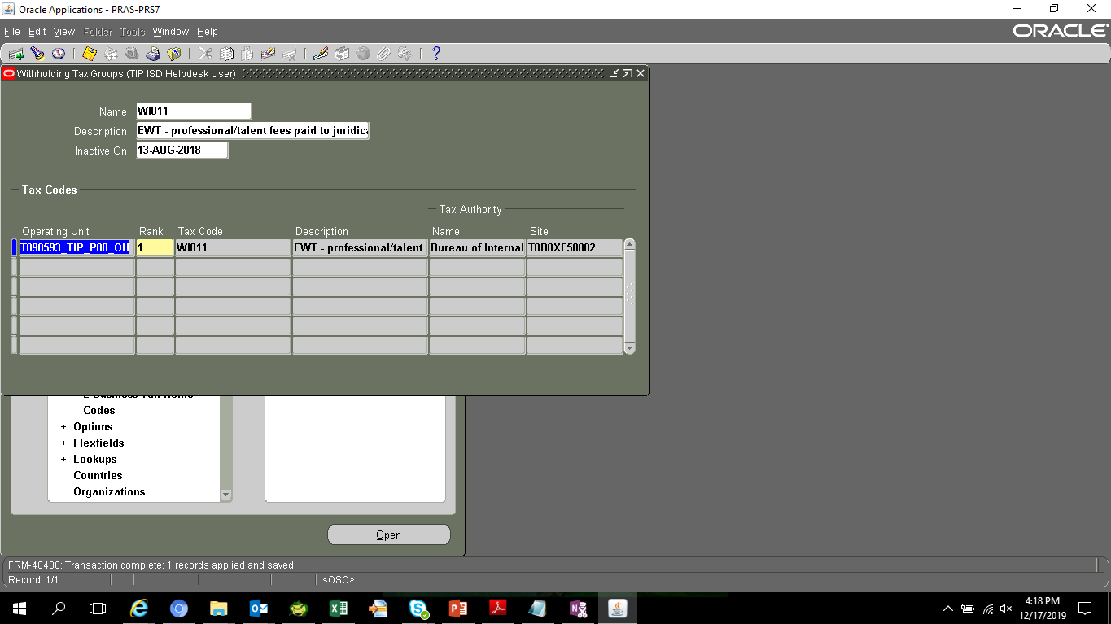
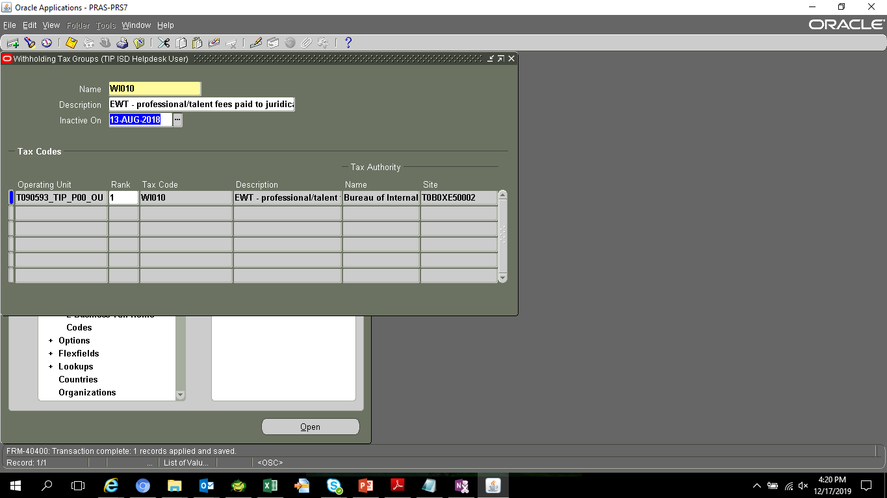

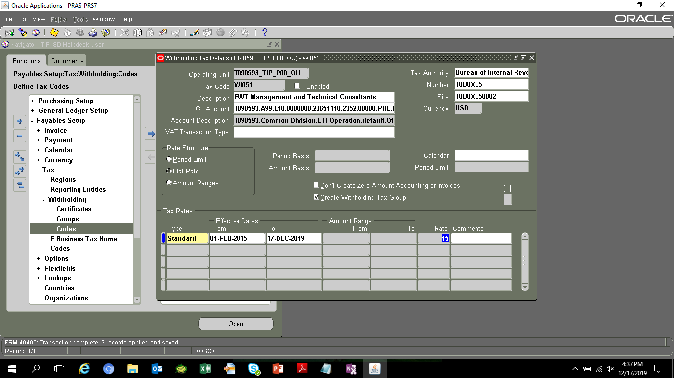

NAME | TAX_ID | LAST_UPDATE_DATE | LAST_UPDATED_BY | TAX_TYPE | SET_OF_BOOKS_ID | DESCRIPTION | TAX_RATE | TAX_CODE_COMBINATION_ID | INACTIVE_DATE | LAST_UPDATE_LOGIN | CREATION_DATE | CREATED_BY | ATTRIBUTE_CATEGORY | ATTRIBUTE1 | ATTRIBUTE2 | ATTRIBUTE3 | ATTRIBUTE4 | ATTRIBUTE5 | ATTRIBUTE6 | ATTRIBUTE7 | ATTRIBUTE8 | ATTRIBUTE9 | ATTRIBUTE10 | ATTRIBUTE11 | ATTRIBUTE12 | ATTRIBUTE13 | ATTRIBUTE14 | ATTRIBUTE15 | AWT_VENDOR_ID | AWT_VENDOR_SITE_ID | AWT_PERIOD_TYPE | AWT_PERIOD_LIMIT | RANGE_AMOUNT_BASIS | RANGE_PERIOD_BASIS | ORG_ID | VAT_TRANSACTION_TYPE | GLOBAL_ATTRIBUTE_CATEGORY | GLOBAL_ATTRIBUTE1 | GLOBAL_ATTRIBUTE2 | GLOBAL_ATTRIBUTE3 | GLOBAL_ATTRIBUTE4 | GLOBAL_ATTRIBUTE5 | GLOBAL_ATTRIBUTE6 | GLOBAL_ATTRIBUTE7 | GLOBAL_ATTRIBUTE8 | GLOBAL_ATTRIBUTE9 | GLOBAL_ATTRIBUTE10 | GLOBAL_ATTRIBUTE11 | GLOBAL_ATTRIBUTE12 | GLOBAL_ATTRIBUTE13 | GLOBAL_ATTRIBUTE14 | GLOBAL_ATTRIBUTE20 | GLOBAL_ATTRIBUTE19 | GLOBAL_ATTRIBUTE18 | GLOBAL_ATTRIBUTE17 | GLOBAL_ATTRIBUTE15 | GLOBAL_ATTRIBUTE16 | WEB_ENABLED_FLAG | TAX_RECOVERY_RULE_ID | TAX_RECOVERY_RATE | START_DATE | ENABLED_FLAG | AWT_RATE_TYPE | OFFSET_TAX_CODE_ID | SUPPRESS_ZERO_AMOUNT_FLAG
WI051 | 10083 | 12/17/19 | 11989 | AWT | 2021 | EWT-Management and Technical Consultants |  | 4025 |  | 31169779 | 2/20/15 | 1090 |  |  |  |  |  |  |  |  |  |  |  |  |  |  |  |  | 1 | 1 |  |  |  |  | 101 |  |  |  |  |  |  |  |  |  |  |  |  |  |  |  |  |  |  |  |  |  |  |  |  |  |  | N | F |  | N

PRS3
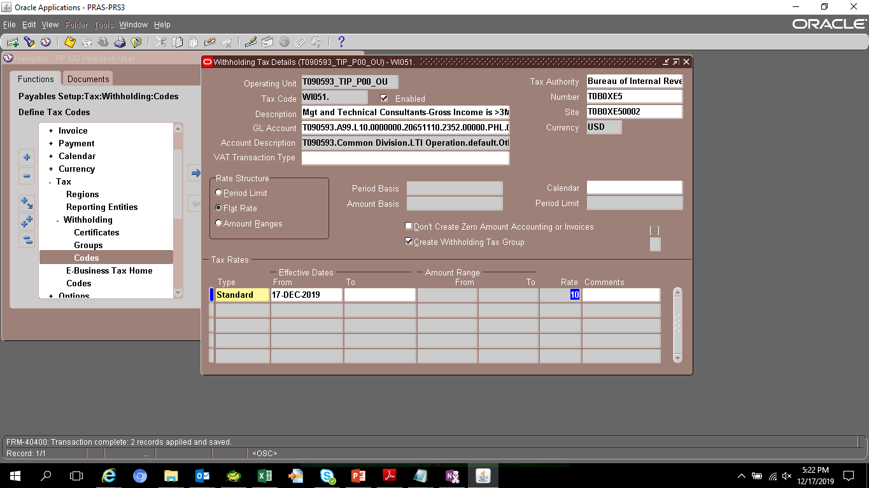
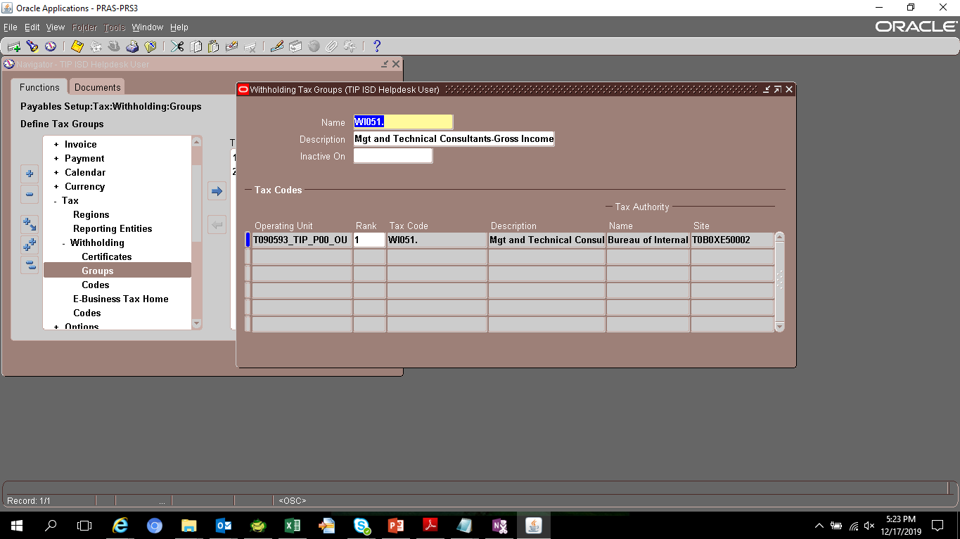
SELECT *
FROM AP_TAX_CODES_ALL

NAME | TAX_ID | LAST_UPDATE_DATE | LAST_UPDATED_BY | TAX_TYPE | SET_OF_BOOKS_ID | DESCRIPTION | TAX_RATE | TAX_CODE_COMBINATION_ID | INACTIVE_DATE | LAST_UPDATE_LOGIN | CREATION_DATE | CREATED_BY | ATTRIBUTE_CATEGORY | ATTRIBUTE1 | ATTRIBUTE2 | ATTRIBUTE3 | ATTRIBUTE4 | ATTRIBUTE5 | ATTRIBUTE6 | ATTRIBUTE7 | ATTRIBUTE8 | ATTRIBUTE9 | ATTRIBUTE10 | ATTRIBUTE11 | ATTRIBUTE12 | ATTRIBUTE13 | ATTRIBUTE14 | ATTRIBUTE15 | AWT_VENDOR_ID | AWT_VENDOR_SITE_ID | AWT_PERIOD_TYPE | AWT_PERIOD_LIMIT | RANGE_AMOUNT_BASIS | RANGE_PERIOD_BASIS | ORG_ID | VAT_TRANSACTION_TYPE | GLOBAL_ATTRIBUTE_CATEGORY | GLOBAL_ATTRIBUTE1 | GLOBAL_ATTRIBUTE2 | GLOBAL_ATTRIBUTE3 | GLOBAL_ATTRIBUTE4 | GLOBAL_ATTRIBUTE5 | GLOBAL_ATTRIBUTE6 | GLOBAL_ATTRIBUTE7 | GLOBAL_ATTRIBUTE8 | GLOBAL_ATTRIBUTE9 | GLOBAL_ATTRIBUTE10 | GLOBAL_ATTRIBUTE11 | GLOBAL_ATTRIBUTE12 | GLOBAL_ATTRIBUTE13 | GLOBAL_ATTRIBUTE14 | GLOBAL_ATTRIBUTE20 | GLOBAL_ATTRIBUTE19 | GLOBAL_ATTRIBUTE18 | GLOBAL_ATTRIBUTE17 | GLOBAL_ATTRIBUTE15 | GLOBAL_ATTRIBUTE16 | WEB_ENABLED_FLAG | TAX_RECOVERY_RULE_ID | TAX_RECOVERY_RATE | START_DATE | ENABLED_FLAG | AWT_RATE_TYPE | OFFSET_TAX_CODE_ID | SUPPRESS_ZERO_AMOUNT_FLAG
WC051 | 10082 | 2/20/15 | 1090 | AWT | 2021 | EWT-Management and Technical Consultants |  | 4025 |  | 3072035 | 2/20/15 | 1090 |  |  |  |  |  |  |  |  |  |  |  |  |  |  |  |  | 1 | 1 |  |  |  |  | 101 |  |  |  |  |  |  |  |  |  |  |  |  |  |  |  |  |  |  |  |  |  |  |  |  |  |  | Y | F |  | N
WI051 | 10083 | 2/20/15 | 1090 | AWT | 2021 | EWT-Management and Technical Consultants |  | 4025 |  | 3072035 | 2/20/15 | 1090 |  |  |  |  |  |  |  |  |  |  |  |  |  |  |  |  | 1 | 1 |  |  |  |  | 101 |  |  |  |  |  |  |  |  |  |  |  |  |  |  |  |  |  |  |  |  |  |  |  |  |  |  | Y | F |  | N
WC010 | 10064 | 5/27/14 | 1090 | AWT | 2021 | EWT - professional/talent fees paid to juridical corporations(INCOME <= 720,000) |  | 4025 |  | 75905 | 5/27/14 | 1090 |  |  |  |  |  |  |  |  |  |  |  |  |  |  |  |  | 1 | 1 |  |  |  |  | 101 |  |  |  |  |  |  |  |  |  |  |  |  |  |  |  |  |  |  |  |  |  |  |  |  |  |  | Y | F |  | N
WC011 | 10065 | 5/27/14 | 1090 | AWT | 2021 | EWT - professional/talent fees paid to juridical corporations(INCOME > 720,000) |  | 4025 |  | 75905 | 5/27/14 | 1090 |  |  |  |  |  |  |  |  |  |  |  |  |  |  |  |  | 1 | 1 |  |  |  |  | 101 |  |  |  |  |  |  |  |  |  |  |  |  |  |  |  |  |  |  |  |  |  |  |  |  |  |  | Y | F |  | N
WC100 | 10066 | 5/27/14 | 1090 | AWT | 2021 | EWT - rentals (real property) - corporations |  | 4025 |  | 75905 | 5/27/14 | 1090 |  |  |  |  |  |  |  |  |  |  |  |  |  |  |  |  | 1 | 1 |  |  |  |  | 101 |  |  |  |  |  |  |  |  |  |  |  |  |  |  |  |  |  |  |  |  |  |  |  |  |  |  | Y | F |  | N
WC120 | 10067 | 5/27/14 | 1090 | AWT | 2021 | EWT - prime contractors/sub-contractors - corporations |  | 4025 |  | 75905 | 5/27/14 | 1090 |  |  |  |  |  |  |  |  |  |  |  |  |  |  |  |  | 1 | 1 |  |  |  |  | 101 |  |  |  |  |  |  |  |  |  |  |  |  |  |  |  |  |  |  |  |  |  |  |  |  |  |  | Y | F |  | N
WC158 | 10068 | 5/27/14 | 1090 | AWT | 2021 | EWT - income payments made by top 5000 corporations - corporations |  | 4025 |  | 75905 | 5/27/14 | 1090 |  |  |  |  |  |  |  |  |  |  |  |  |  |  |  |  | 1 | 1 |  |  |  |  | 101 |  |  |  |  |  |  |  |  |  |  |  |  |  |  |  |  |  |  |  |  |  |  |  |  |  |  | Y | F |  | N
WC160 | 10069 | 5/27/14 | 1090 | AWT | 2021 | EWT-income payments made by Top 20000 private corp. to local supplier of service |  | 4025 |  | 75905 | 5/27/14 | 1090 |  |  |  |  |  |  |  |  |  |  |  |  |  |  |  |  | 1 | 1 |  |  |  |  | 101 |  |  |  |  |  |  |  |  |  |  |  |  |  |  |  |  |  |  |  |  |  |  |  |  |  |  | Y | F |  | N
WC212 | 10070 | 5/27/14 | 1090 | AWT | 2021 | Cash dividend payment by domestic corporation to NRFCs |  | 4026 |  | 75905 | 5/27/14 | 1090 |  |  |  |  |  |  |  |  |  |  |  |  |  |  |  |  | 1 | 2 |  |  |  |  | 101 |  |  |  |  |  |  |  |  |  |  |  |  |  |  |  |  |  |  |  |  |  |  |  |  |  |  | Y | F |  | N
WC230 | 10071 | 5/27/14 | 1090 | AWT | 2021 | FWT-On other payments to NRFCs |  | 4026 |  | 75905 | 5/27/14 | 1090 |  |  |  |  |  |  |  |  |  |  |  |  |  |  |  |  | 1 | 2 |  |  |  |  | 101 |  |  |  |  |  |  |  |  |  |  |  |  |  |  |  |  |  |  |  |  |  |  |  |  |  |  | Y | F |  | N
WI010 | 10072 | 9/3/18 | 11989 | AWT | 2021 | EWT - professional/talent fees paid to juridical persons(INCOME <= 720,000) |  | 4025 |  | 27437517 | 5/27/14 | 1090 |  |  |  |  |  |  |  |  |  |  |  |  |  |  |  |  | 1 | 1 |  |  |  |  | 101 |  |  |  |  |  |  |  |  |  |  |  |  |  |  |  |  |  |  |  |  |  |  |  |  |  |  | N | F |  | N
WI011 | 10073 | 9/3/18 | 11989 | AWT | 2021 | EWT - professional/talent fees paid to juridical persons(INCOME > 720,000) |  | 4025 |  | 27437517 | 5/27/14 | 1090 |  |  |  |  |  |  |  |  |  |  |  |  |  |  |  |  | 1 | 1 |  |  |  |  | 101 |  |  |  |  |  |  |  |  |  |  |  |  |  |  |  |  |  |  |  |  |  |  |  |  |  |  | N | F |  | N
WI020 | 10074 | 5/27/14 | 1090 | AWT | 2021 | EWT - payment to prof entertainers - (INCOME <= 720,000) |  | 4025 |  | 75905 | 5/27/14 | 1090 |  |  |  |  |  |  |  |  |  |  |  |  |  |  |  |  | 1 | 1 |  |  |  |  | 101 |  |  |  |  |  |  |  |  |  |  |  |  |  |  |  |  |  |  |  |  |  |  |  |  |  |  | Y | F |  | N
WI021 | 10075 | 5/27/14 | 1090 | AWT | 2021 | EWT - payment to prof entertainers - (INCOME > 720,000) |  | 4025 |  | 75905 | 5/27/14 | 1090 |  |  |  |  |  |  |  |  |  |  |  |  |  |  |  |  | 1 | 1 |  |  |  |  | 101 |  |  |  |  |  |  |  |  |  |  |  |  |  |  |  |  |  |  |  |  |  |  |  |  |  |  | Y | F |  | N
WI050 | 10076 | 5/27/14 | 1090 | AWT | 2021 | EWT - management and technical consultants |  | 4025 |  | 75905 | 5/27/14 | 1090 |  |  |  |  |  |  |  |  |  |  |  |  |  |  |  |  | 1 | 1 |  |  |  |  | 101 |  |  |  |  |  |  |  |  |  |  |  |  |  |  |  |  |  |  |  |  |  |  |  |  |  |  | Y | F |  | N
WI100 | 10077 | 5/27/14 | 1090 | AWT | 2021 | EWT - rentals (real property) - individuals |  | 4025 |  | 75905 | 5/27/14 | 1090 |  |  |  |  |  |  |  |  |  |  |  |  |  |  |  |  | 1 | 1 |  |  |  |  | 101 |  |  |  |  |  |  |  |  |  |  |  |  |  |  |  |  |  |  |  |  |  |  |  |  |  |  | Y | F |  | N
WI120 | 10078 | 5/27/14 | 1090 | AWT | 2021 | EWT - prime contractors/sub-contractors - individuals |  | 4025 |  | 75905 | 5/27/14 | 1090 |  |  |  |  |  |  |  |  |  |  |  |  |  |  |  |  | 1 | 1 |  |  |  |  | 101 |  |  |  |  |  |  |  |  |  |  |  |  |  |  |  |  |  |  |  |  |  |  |  |  |  |  | Y | F |  | N
WI150 | 10079 | 5/27/14 | 1090 | AWT | 2021 | EWT - payment to medical practitioners thru hospitals/clinics(INCOME > 720,000) |  | 4025 |  | 75905 | 5/27/14 | 1090 |  |  |  |  |  |  |  |  |  |  |  |  |  |  |  |  | 1 | 1 |  |  |  |  | 101 |  |  |  |  |  |  |  |  |  |  |  |  |  |  |  |  |  |  |  |  |  |  |  |  |  |  | Y | F |  | N
WI151 | 10080 | 5/27/14 | 1090 | AWT | 2021 | EWT - payment to medical practitioners thru hospitals/clinics(INCOME <= 720,000) |  | 4025 |  | 75905 | 5/27/14 | 1090 |  |  |  |  |  |  |  |  |  |  |  |  |  |  |  |  | 1 | 1 |  |  |  |  | 101 |  |  |  |  |  |  |  |  |  |  |  |  |  |  |  |  |  |  |  |  |  |  |  |  |  |  | Y | F |  | N
WI158 | 10081 | 5/27/14 | 1090 | AWT | 2021 | EWT - payments made by top 5000 corporations - individuals |  | 4025 |  | 75905 | 5/27/14 | 1090 |  |  |  |  |  |  |  |  |  |  |  |  |  |  |  |  | 1 | 1 |  |  |  |  | 101 |  |  |  |  |  |  |  |  |  |  |  |  |  |  |  |  |  |  |  |  |  |  |  |  |  |  | Y | F |  | N
WI010. | 10102 | 9/3/18 | 11989 | AWT | 2021 | EWT - professional/talent fees paid to juridical persons(INCOME <= 720,000) |  | 4025 |  | 27437517 | 9/3/18 | 11989 |  |  |  |  |  |  |  |  |  |  |  |  |  |  |  |  | 1 | 1 |  |  |  |  | 101 |  |  |  |  |  |  |  |  |  |  |  |  |  |  |  |  |  |  |  |  |  |  |  |  |  |  | Y | F |  | N
WI011. | 10103 | 9/3/18 | 11989 | AWT | 2021 | EWT - professional/talent fees paid to juridical persons(INCOME > 720,000) |  | 4025 |  | 27437517 | 9/3/18 | 11989 |  |  |  |  |  |  |  |  |  |  |  |  |  |  |  |  | 1 | 1 |  |  |  |  | 101 |  |  |  |  |  |  |  |  |  |  |  |  |  |  |  |  |  |  |  |  |  |  |  |  |  |  | Y | F |  | N
WI081 | 10104 | 9/3/18 | 11989 | AWT | 2021 | Other Recipient of Talent Fees-Gross Income is >3M or VAT Reg regardless of amt |  | 4025 |  | 27437517 | 9/3/18 | 11989 |  |  |  |  |  |  |  |  |  |  |  |  |  |  |  |  | 1 | 1 |  |  |  |  | 101 |  |  |  |  |  |  |  |  |  |  |  |  |  |  |  |  |  |  |  |  |  |  |  |  |  |  | Y | F |  | N

SELECT *
FROM ap_awt_groups

GROUP_ID | NAME | DESCRIPTION | INACTIVE_DATE | LAST_UPDATE_DATE | LAST_UPDATED_BY | LAST_UPDATE_LOGIN | CREATION_DATE | CREATED_BY
11000 | WC051 | EWT-Management and Technical Consultants |  | 2/20/15 | 1090 | 3072035 | 2/20/15 | 1090
11001 | WI051 | EWT-Management and Technical Consultants |  | 2/20/15 | 1090 | 3072035 | 2/20/15 | 1090
10000 | WC010 | EWT - professional/talent fees paid to juridical corporations(INCOME <= 720,000) |  | 5/27/14 | 1090 | 75905 | 5/27/14 | 1090
10001 | WC011 | EWT - professional/talent fees paid to juridical corporations(INCOME > 720,000) |  | 5/27/14 | 1090 | 75905 | 5/27/14 | 1090
10002 | WC100 | EWT - rentals (real property) - corporations |  | 5/27/14 | 1090 | 75905 | 5/27/14 | 1090
10003 | WC120 | EWT - prime contractors/sub-contractors - corporations |  | 5/27/14 | 1090 | 75905 | 5/27/14 | 1090
10004 | WC158 | EWT - income payments made by top 5000 corporations - corporations |  | 5/27/14 | 1090 | 75905 | 5/27/14 | 1090
10005 | WC160 | EWT-income payments made by Top 20000 private corp. to local supplier of service |  | 5/27/14 | 1090 | 75905 | 5/27/14 | 1090
10006 | WC212 | Cash dividend payment by domestic corporation to NRFCs |  | 5/27/14 | 1090 | 75905 | 5/27/14 | 1090
10007 | WC230 | FWT-On other payments to NRFCs |  | 5/27/14 | 1090 | 75905 | 5/27/14 | 1090
10008 | WI010 | EWT - professional/talent fees paid to juridical persons(INCOME <= 720,000) |  | 5/27/14 | 1090 | 75905 | 5/27/14 | 1090
10009 | WI011 | EWT - professional/talent fees paid to juridical persons(INCOME > 720,000) |  | 5/27/14 | 1090 | 75905 | 5/27/14 | 1090
10010 | WI020 | EWT - payment to prof entertainers - (INCOME <= 720,000) |  | 5/27/14 | 1090 | 75905 | 5/27/14 | 1090
10011 | WI021 | EWT - payment to prof entertainers - (INCOME > 720,000) |  | 5/27/14 | 1090 | 75905 | 5/27/14 | 1090
10012 | WI050 | EWT - management and technical consultants |  | 5/27/14 | 1090 | 75905 | 5/27/14 | 1090
10013 | WI100 | EWT - rentals (real property) - individuals |  | 5/27/14 | 1090 | 75905 | 5/27/14 | 1090
10014 | WI120 | EWT - prime contractors/sub-contractors - individuals |  | 5/27/14 | 1090 | 75905 | 5/27/14 | 1090
10015 | WI150 | EWT - payment to medical practitioners thru hospitals/clinics(INCOME > 720,000) |  | 5/27/14 | 1090 | 75905 | 5/27/14 | 1090
10016 | WI151 | EWT - payment to medical practitioners thru hospitals/clinics(INCOME <= 720,000) |  | 5/27/14 | 1090 | 75905 | 5/27/14 | 1090
10017 | WI158 | EWT - payments made by top 5000 corporations - individuals |  | 5/27/14 | 1090 | 75905 | 5/27/14 | 1090
12000 | WI010. | EWT - professional/talent fees paid to juridical persons(INCOME <= 720,000) |  | 9/3/18 | 11989 | 27437517 | 9/3/18 | 11989
12001 | WI011. | EWT - professional/talent fees paid to juridical persons(INCOME > 720,000) |  | 9/3/18 | 11989 | 27437517 | 9/3/18 | 11989
12002 | WI081 | Other Recipient of Talent Fees-Gross Income is >3M or VAT Reg regardless of amt |  | 9/3/18 | 11989 | 27437517 | 9/3/18 | 11989

Corrected no end date from previous request

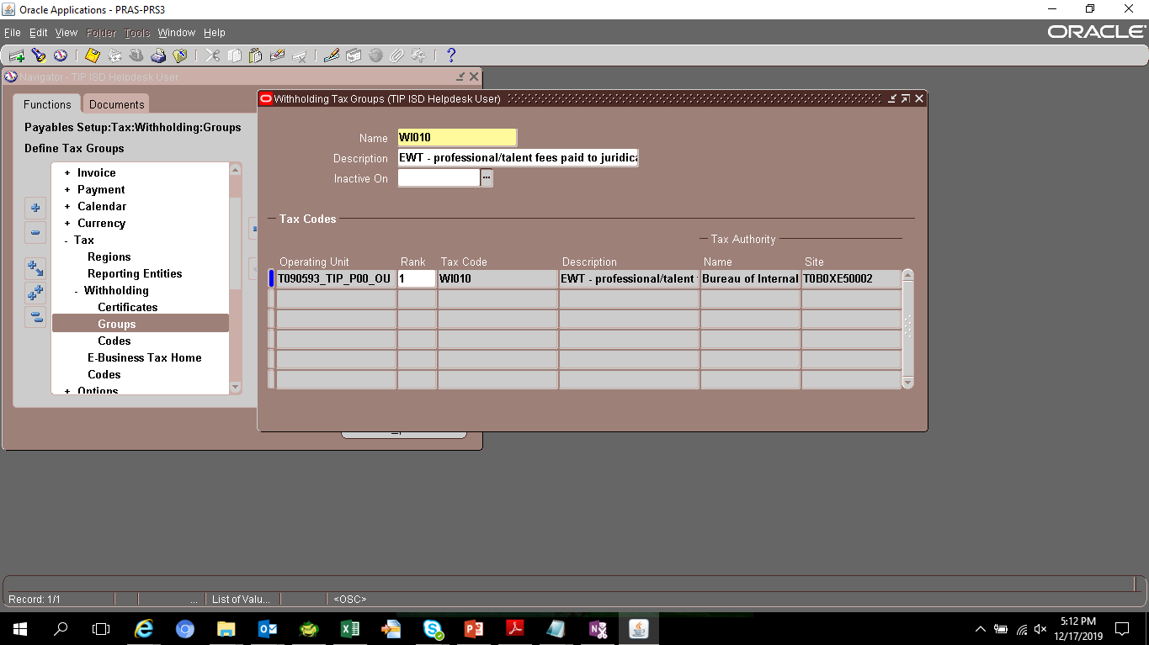
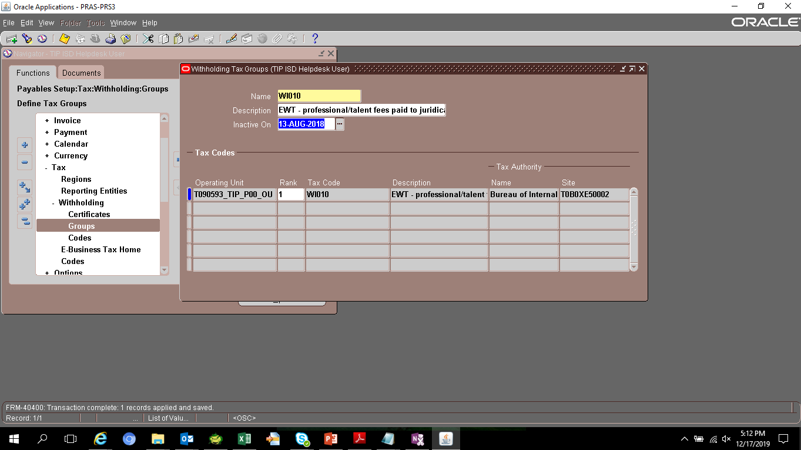

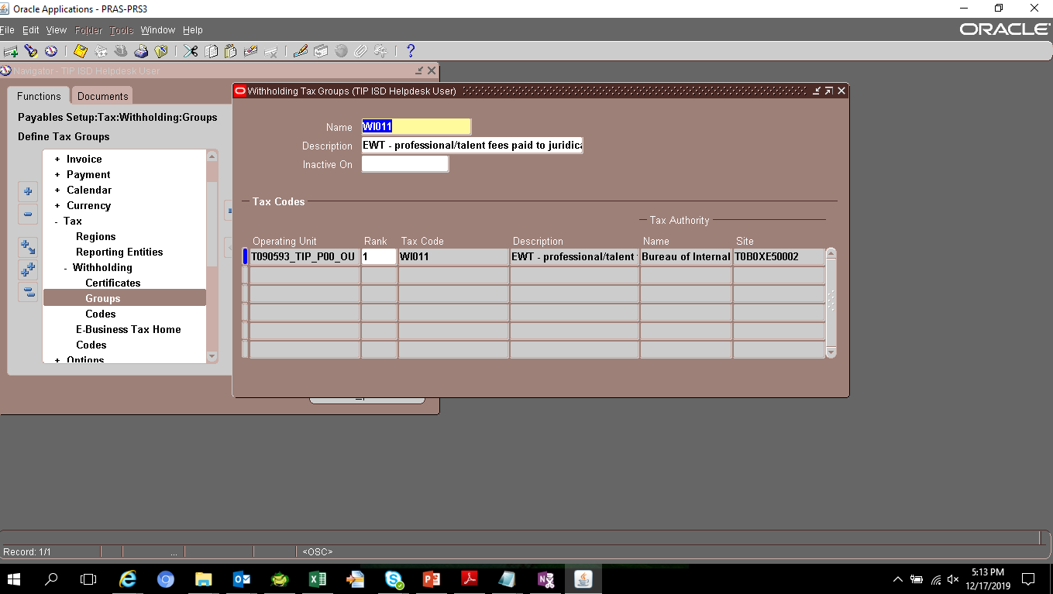


FOR DEACTIVATION
Tax Code | Rate | Description | Operating Unit | Inactive On | GL Account | Tax Authoriy | Number | Site
WI051 | 15 | Mgt and Technical Consultants-Gross Income is >3M or VAT Reg regardless of amt | T090593_TIP_P00_OU | 2019-12-17 | T090593.A99.L10.0000000.20651110.2352.00000.PHL.0000000.000000.0000 | Bureau of Internal Revenue_T0B0XE5 | T0B0XE5 | T0B0XE50002

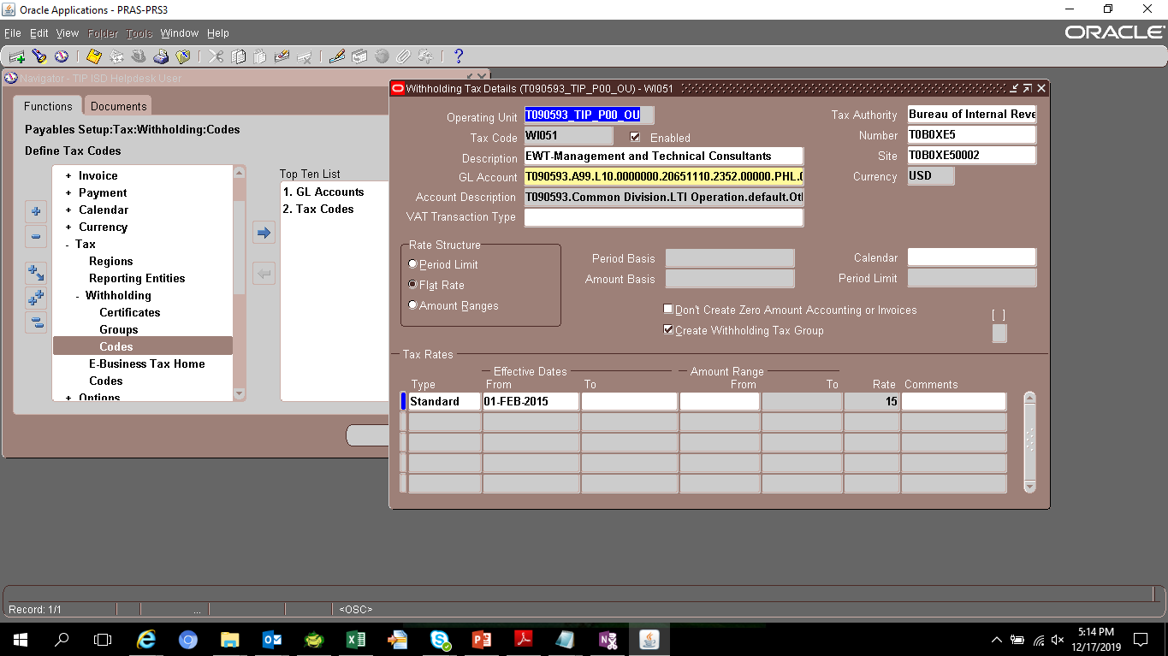
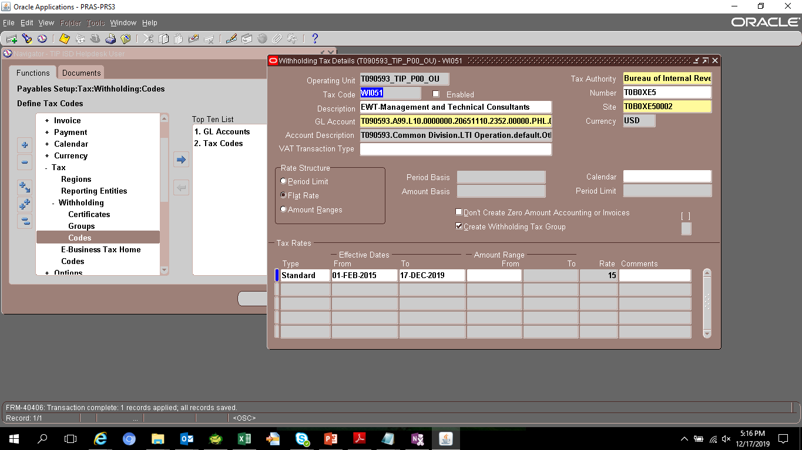

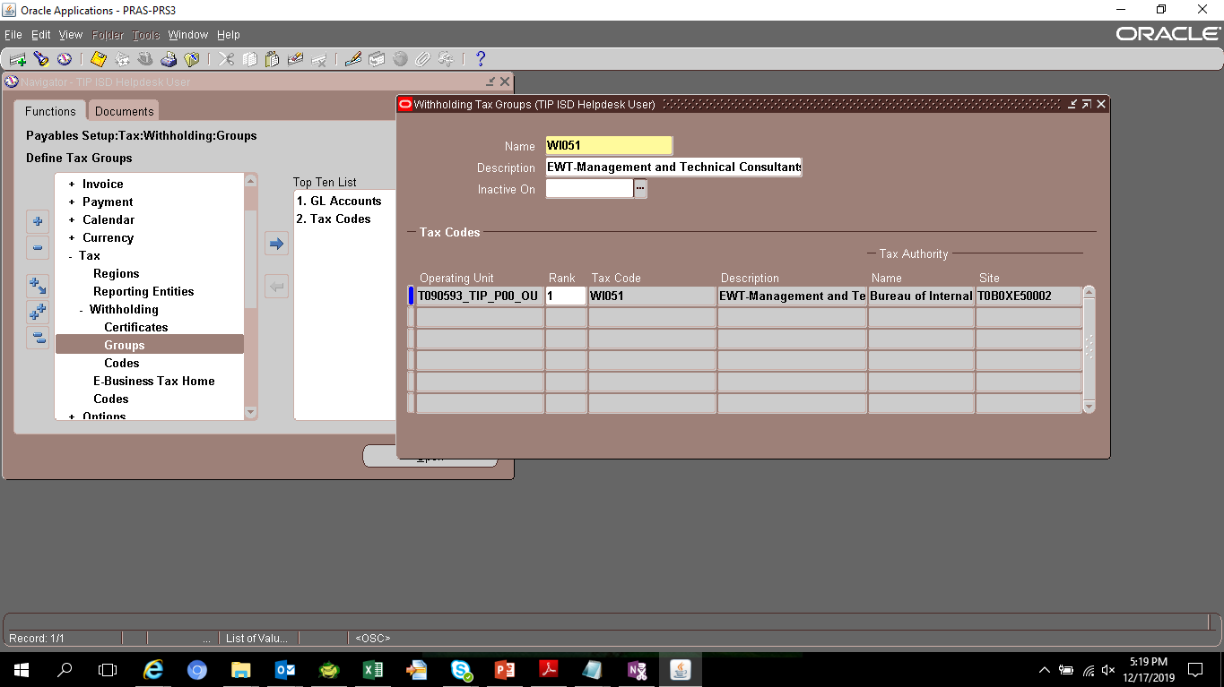
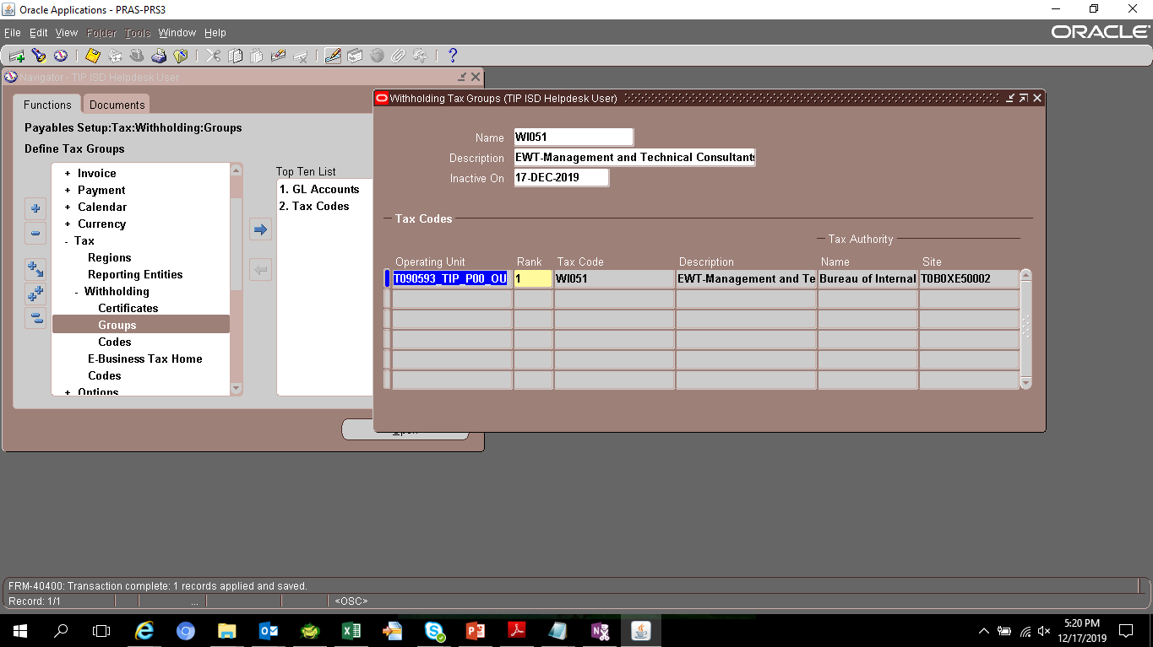

NEW TAX CODE
Tax Code | Rate | Description | Operating Unit | Inactive On | GL Account | Tax Authoriy | Number | Site
WI051. | 10 | Mgt and Technical Consultants-Gross Income is >3M or VAT Reg regardless of amt | T090593_TIP_P00_OU | (null) | T090593.A99.L10.0000000.20651110.2352.00000.PHL.0000000.000000.0000 | Bureau of Internal Revenue_T0B0XE5 | T0B0XE5 | T0B0XE50002

